Instructions
Attribute | Value | Version # | 4
Carrier Name: | Carrier Name | Updated as of | 2025-11-03
HIOS Carrier ID: | HIOS ID
14-Digit HIOS Plan IDs: | HIOS Plan IDs
Instructions for the Material Provider Premium Impact Template
Purpose:
To fulfill Section 9.A.2 of Regulation 4-2-92, carriers who fail to meet their premium reduction targets, must complete a table showing the list of Material Providers with their relative contribution to the plan's premiums in a Rating Area.
Per Regulation 4-2-92, “Material Provider” shall mean, for the purposes of this regulation, an in-network hospital or health-care provider identified by the carrier, the Division, another provider, or another party that has a greater than or equal to 0.15% contribution to a carrier’s premium rate in a particular Rating Area.
Instructions:
Inputs Tab
1. Carriers must enter information relevant to their Colorado Option Standardized Plan offerings on the "Inputs" tab as specified below. Carriers must fill out all sections that are colored green. Carriers must not add or remove columns, and must not remove rows above the input tables in this template. Carriers must not add comments, footnotes, or stray marks to this template, as they will not be read. Carriers are to include all "material" billing providers defined as providers with paid claims as a percentage of premium greater than or equal to 0.15% calculated using claims incurred and the premium denominator inclusive of pharmacy claims and retention amounts.
Please report the "paid through" date of the claims in "Claims Paid as of:" field of the "Inputs" tab. The Division of Insurance recognizes that claims reporting systems and lag times differ between carriers. The Division requests the carrier's most recent claims data available, with claims incurred through December 31, 2025. Please advise the Division if this "incurred through" date is inappropriate for any reason, which should be reported in the "Claims Incurred as of:" field of the "Inputs" tab.
Provider Level Information, columns D-R:
i. Provider NPI: List the 10-digit National Provider Identifier (NPI) for all "material" billing providers (as defined above) with incurred claims from 1/1/2025 to 12/31/2025 in the experience period used for the Colorado Option rate reduction template. This NPI should be on file with CMS. All NPIs included in the "Negotiated Rate Template" must be included on this tab - If this information does not match as of March 2, the Division will ask the carrier to resubmit these templates.
ii. Hospital CCN: The Centers for Medicare and Medicaid Services (CMS) Certification Number (CCN), applicable only to hospitals, which should be repeated for each applicable NPI.
iii. Provider Name.
iv. Network Status: In, Out or Special (for Behavioral Health only or other unique network status). If Special, please fill out the “Network Notes” column.
v. Facility Flag: Set flag to F to denote a Hospital Facility Provider and O for all else
vi. Premium Impact by Rating Area: For rating areas 1 through 9, enter the impact to premium each provider had using incurred claims paid amounts as a percent of premium in the incurred year 2025. In calculation of this metric, the premium denominator must include pharmacy claims amounts as well as retention amounts such as administrative expenses and profit.
vii. In the "Network Notes" column, indicate if the provider is in-network or, if only in-network for a subset of services, please list out those services.
Contact Information Tab
1. Carriers must enter information relevant to their Colorado Option Standardized Plan offerings on the "Contact Information" tab as specified below. Carriers must fill out all sections that are colored green. If a provider has more than one contact, include one row per contact.
Provider Level Information, columns D-K:
i. Provider NPI: List the 10-digit National Provider Identifier (NPI) for all billing providers with incurred claims from 1/1/2025 to 12/31/2025 in the experience period used for the Colorado Option rate reduction template. This NPI should be on file with CMS. All NPIs included in the "Material Provider Impact Template" should be included on this tab.
ii. Provider Name: Facility, provider group or practitioner name
iii. Hospital CCN: The Centers for Medicare and Medicaid Services (CMS) Certification Number (CCN), applicable only to hospitals.
iv. Contact Name: Primary contact
v. Physical Address: Physical location of the facility or provider practice where healthcare services are rendered
vi. Mailing Address: Mailing address of practice business office
vii. Current Contact for Compliance/Legal Department: Additional contact at provider within the compliance or legal department.
viii. Email Address for Current Contact for Compliance/Legal Department: Email address for the main contact at the provider within the compliance or legal department
Rating Area Lookup Tab
County and rating area crosswalk for reference.
Secure Data Submission Instructions:
Submit via SERFF with the heading: Material Provider Premium Impact Template. For any questions on how to complete this template, please contact the Division at sara.bencic@state.co.us, benjamin.allain@state.co.us, and tim.churchill@state.co.us.
Network ID: | Network ID
Plan Year: | 2027
Claims Incurred as of: | 2025-12-31
Claims Paid as of: | 2026-01-31

Link to NPPES

Rating area Lookup
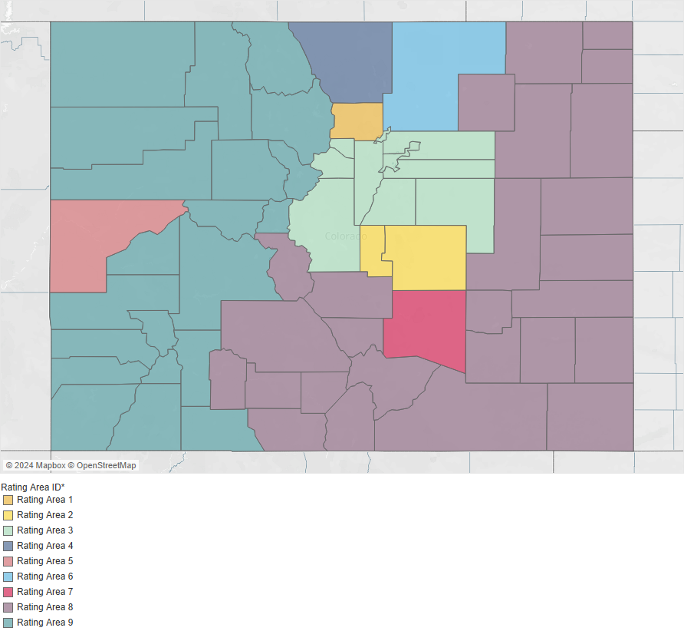
Rating Area | County | In | F
Rating Area 1 | Boulder | Out | O
Rating Area 2 | El Paso | Special
Rating Area 2 | Teller
Rating Area 3 | Adams
Rating Area 3 | Arapahoe
Rating Area 3 | Broomfield
Rating Area 3 | Clear Creek
Rating Area 3 | Denver
Rating Area 3 | Douglas
Rating Area 3 | Elbert
Rating Area 3 | Gilpin
Rating Area 3 | Jefferson
Rating Area 3 | Park
Rating Area 4 | Larimer
Rating Area 5 | Mesa
Rating Area 6 | Weld
Rating Area 7 | Pueblo
Rating Area 8 | Alamosa
Rating Area 8 | Baca
Rating Area 8 | Bent
Rating Area 8 | Chaffee
Rating Area 8 | Cheyenne
Rating Area 8 | Conejos
Rating Area 8 | Costilla
Rating Area 8 | Crowley
Rating Area 8 | Custer
Rating Area 8 | Fremont
Rating Area 8 | Huerfano
Rating Area 8 | Kiowa
Rating Area 8 | Kit Carson
Rating Area 8 | Las Animas
Rating Area 8 | Lincoln
Rating Area 8 | Logan
Rating Area 8 | Mineral
Rating Area 8 | Morgan
Rating Area 8 | Otero
Rating Area 8 | Phillips
Rating Area 8 | Prowers
Rating Area 8 | Rio Grande
Rating Area 8 | Saguache
Rating Area 8 | Sedgwick
Rating Area 8 | Washington
Rating Area 8 | Yuma
Rating Area 9 | Archuleta
Rating Area 9 | Delta
Rating Area 9 | Dolores
Rating Area 9 | Eagle
Rating Area 9 | Garfield
Rating Area 9 | Grand
Rating Area 9 | Gunnison
Rating Area 9 | Hinsdale
Rating Area 9 | Jackson
Rating Area 9 | La Plata
Rating Area 9 | Lake
Rating Area 9 | Moffat
Rating Area 9 | Montezuma
Rating Area 9 | Montrose
Rating Area 9 | Ouray
Rating Area 9 | Pitkin
Rating Area 9 | Rio Blanco
Rating Area 9 | Routt
Rating Area 9 | San Juan
Rating Area 9 | San Miguel
Rating Area 9 | Summit

